Test Summary Report
Mobile Banking Application - Final Test Summary Report
Overall Execution Summary
Metric | Result
Total Test Cases | 187
Executed Test Cases | 187
Passed | 132
Failed | 55
Pass Rate | 70.59
Fail Rate | 29.41
Critical Defects | 3
High Severity Defects | 31
Medium Severity Defects | 16
Low Severity | 5
Release Decision | NO-GO
Decision Rationale | The application should not be released in the current build. The execution contains 55 failed test cases, including critical financial and session-security defects, uncontrolled HTTP 500 errors, and transaction validation failures.
Release Criteria | Fix all Critical/High defects, re-execute all 55 failed test cases, perform regression on affected modules, and confirm that no financial-balance or authentication/session regressions remain.
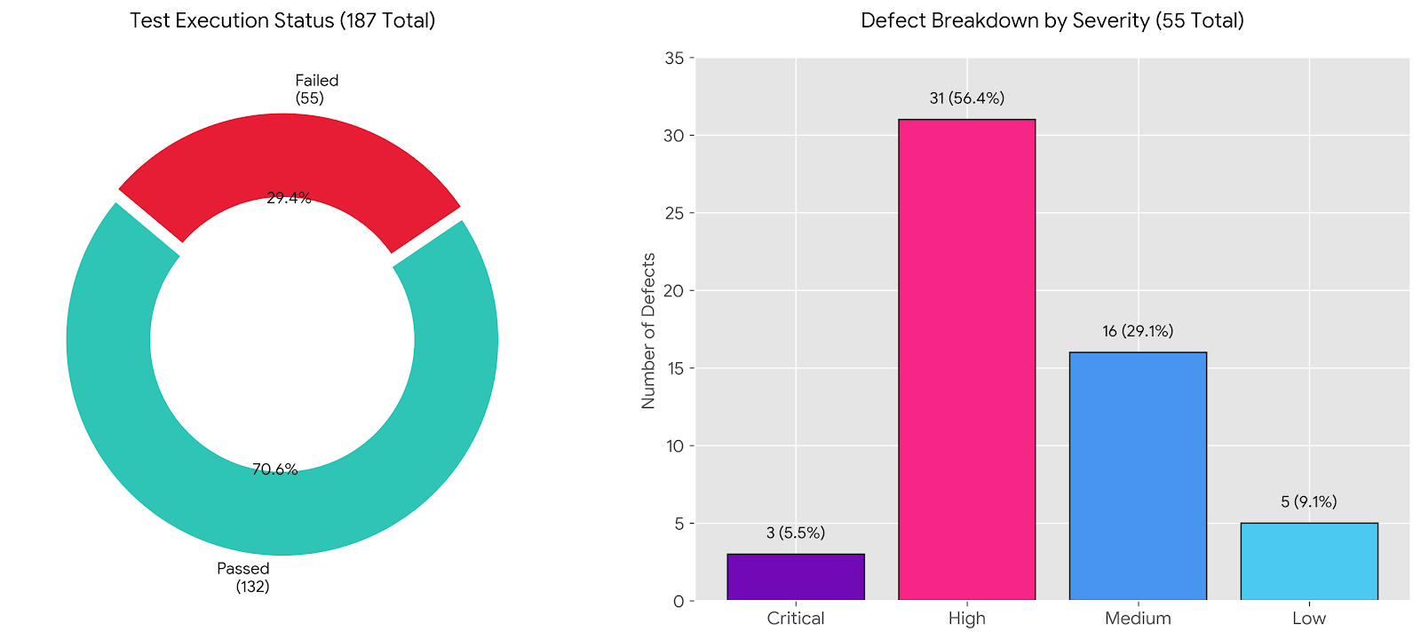

Enhancements / Recommended Improvements
Priority | Enhancement | Reason / Expected Benefit
Critical | Enforce sufficient-balance validation for PAYMENT using Amount + Fee. | Prevents invalid payments, balance corruption, and uncontrolled transaction failures.
Critical | Implement Fee validation: required handling and non-negative numeric validation; reject negative values. | Prevents negative fees from increasing account balances and prevents null-related runtime errors.
High | Add controlled validation for maximum Balance, Credit Limit, and Transaction Amount values. | Prevents database-level HTTP 500 errors and exposes clear validation to the employee.
High | Apply conditional transaction-field rules: disable/clear From Account for DEPOSIT and To Account for WITHDRAWAL when not applicable. | Makes the UI consistent with transaction business rules and prevents irrelevant data from being stored.
High | Strengthen Phone Number validation and make it required when complete customer data is mandatory. | Improves data completeness and prevents incomplete customer records.
High | Define and enforce a business rule for Full Name validation and customer-data consistency. | Prevents acceptance of clearly inconsistent customer identity data and improves data quality.
High | Clarify Account Number behavior: either make it fully system-generated or validate and persist the employee-entered value. | Avoids a misleading editable field whose value is ignored by the current service implementation.
High | Improve authentication/session integration and ensure protected pages cannot be accessed after logout or browser navigation. | Improves session security and prevents access to protected content after logout.
Medium | Improve responsive layout for narrow/mobile viewports. | Prevents clipping, overflow, and truncated navigation/content on smaller screens.

Final QA Recommendation | NO-GO until the Critical/High defects are fixed and the failed test cases are re-executed successfully.

